TF-IDF計算範例
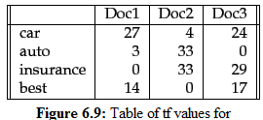

範例一

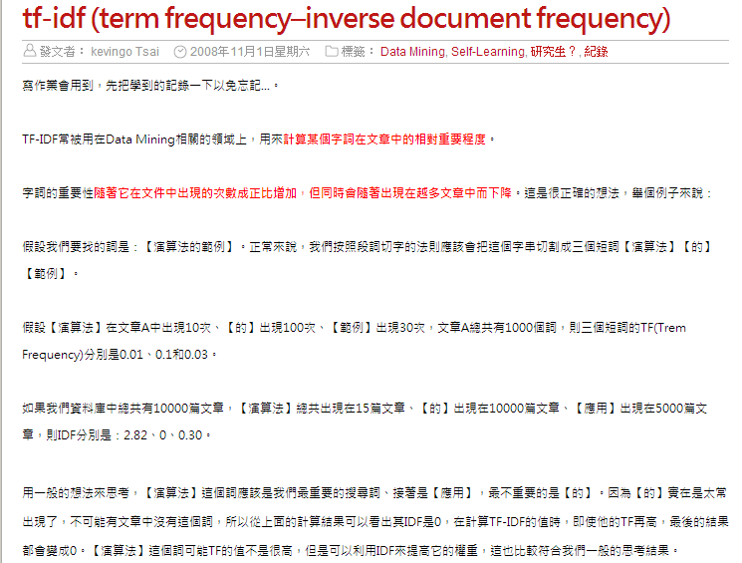

詞 | 出現次數 | 出現文章數 | TF | IDF
演算法 | 10 | 15 | 0.01 | 2.8239087409
的 | 100 | 10000 | 0.1 | 0
範例 | 30 | 5000 | 0.03 | 0.30102999566

Total | 1000 | 詞
Total | 10000 | 文章

 | Doc1 | Doc2 | Doc3 | TF1 | TF2 | TF3 | IDF | W1 | W2 | W3 | Score
car | 27 | 4 | 24 | 0.61363636364 | 0.057142857143 | 0.34285714286 | 0 | 0 | 0 | 0 | 0
auto | 3 | 33 | 0 | 0.068181818182 | 0.47142857143 | 0 | 0.17609125906 | 0.012006222208 | 0.083014450698 | 0 | 0.095020672906
insurance | 0 | 33 | 29 | 0 | 0.47142857143 | 0.41428571429 | 0.17609125906 | 0 | 0.083014450698 | 0.072952093037 | 0.15596654374
best | 14 | 0 | 17 | 0.31818181818 | 0 | 0.24285714286 | 0.17609125906 | 0.056029036972 | 0 | 0.042765020056 | 0.098794057029
 | 44 | 70 | 70

Similarity 計算範例
Terms | Q | D1 | D2 | D3 | df | d/df | IDF | Q | D1 | D2 | D3 | W | |Q| | |D1| | |D2| | |D3| | Q.D1 | Q.D2 | Q.D3
a | 0 | 1 | 1 | 1
arrived | 0 | 0 | 1 | 1
damaged | 0 | 1 | 0 | 0
delivery | 0 | 0 | 1 | 0
fire | 0 | 1 | 0 | 0
gold | 1 | 1 | 0 | 1
in | 0 | 1 | 1 | 1
of | 0 | 1 | 1 | 1
silver | 1 | 0 | 2 | 0
shipment | 0 | 1 | 0 | 1
truck | 1 | 0 | 1 | 1

|Q| =
|D1| = | 0 |  |  |  |  |  |  |  |  |  |  |  |  |  |  | Similarty
|D2| = | 0
|D3| = | 0
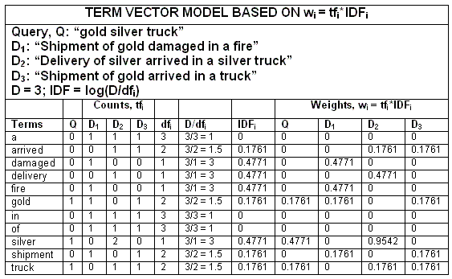

計算結果

